Case #1
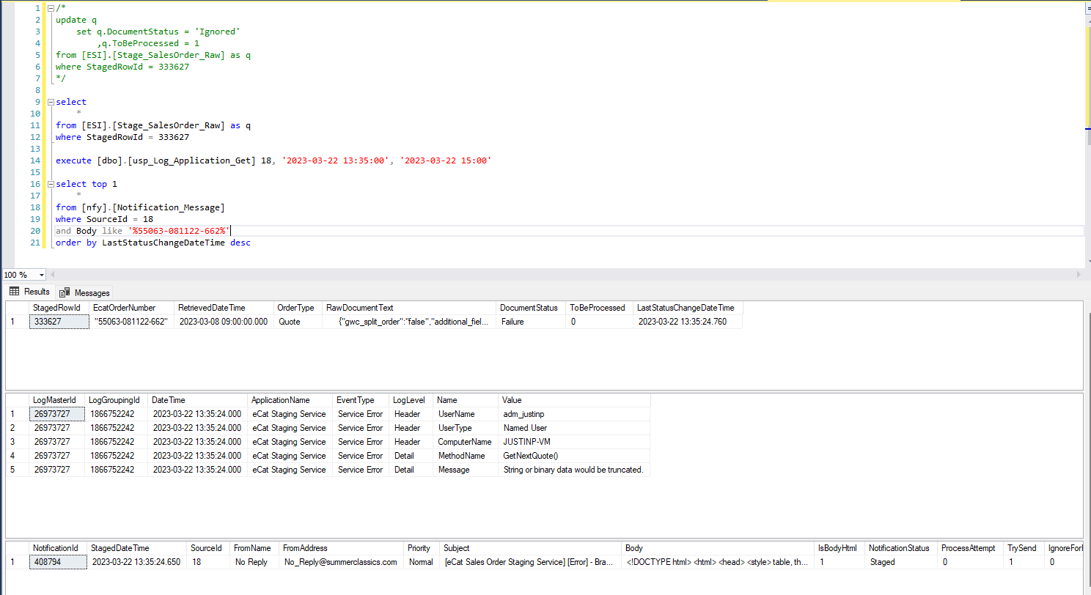
Justin Pope Dev Test
Test Case No. | 1
Process | Test Updated Error Handling
Test Consideration | 1) Running the Test WinForm application within Visual Studios 2) All updates are validations and will not update data 3) Testing for the specific error that was being expeirenced in production, truncating of data
Test Condition |  | Data Used | How To Verify | Actual Results
Tasks
1 | Add Staged Record | Create Stage records with data that would be invalid to current procedure [ESS].[usp_Stage_Quote_Raw_Put] | query database | screen shot
2 | Run application and watch process | Query Records and see that they have been processed and see the error log. | query database | screen shot
Configuration/Data Setup for Testing Scenario
1 | Running from Visual Studio
2 | Added the Staged record manually

Verification

Test Cast Screens Shots Before and After

Case #2
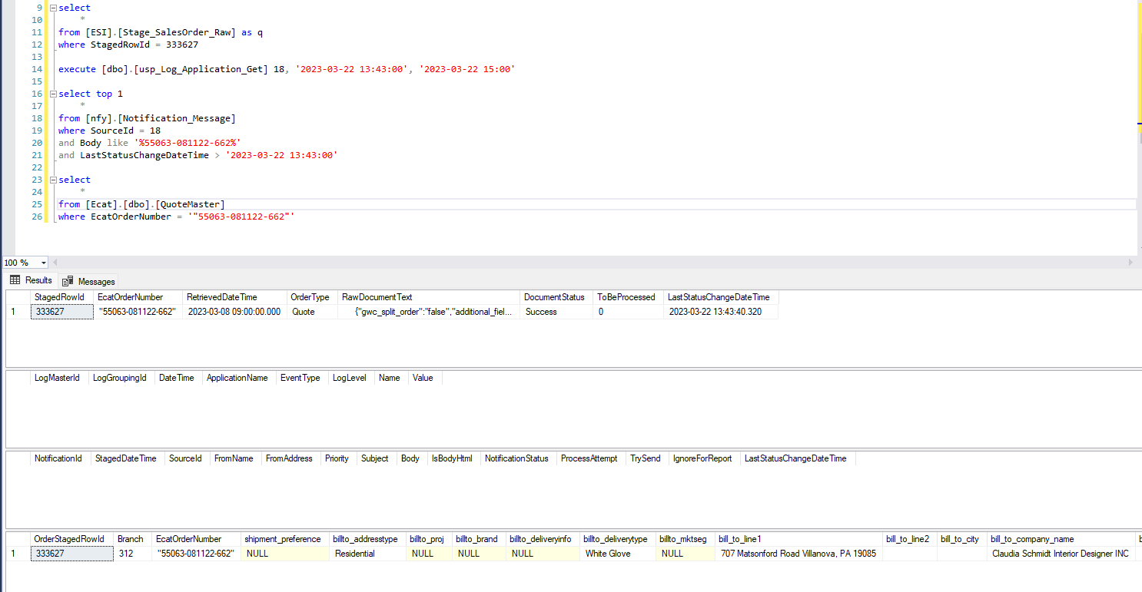
Justin Pope Dev Test
Test Case No. | 2
Process | Test Updated SQL Procedure
Test Consideration | 1) Running the Test WinForm application within Visual Studios 2) All updates are validations and will not update data
Test Condition |  | Data Used | How To Verify | Actual Results
Tasks
1 | Add Staged Record | Set records to be reprocessed from Case #1 | query database | screen shot
2 | Run application and watch process | Query Ecat.dbo.QuoteMaster and Ecat.dbo.QuoteDetail that the quotes were imported | query database | screen shot
Configuration/Data Setup for Testing Scenario
1 | Running from Visual Studio
2 | Added the Staged record manually

Verification

Test Cast Screens Shots Before and After

Case #3
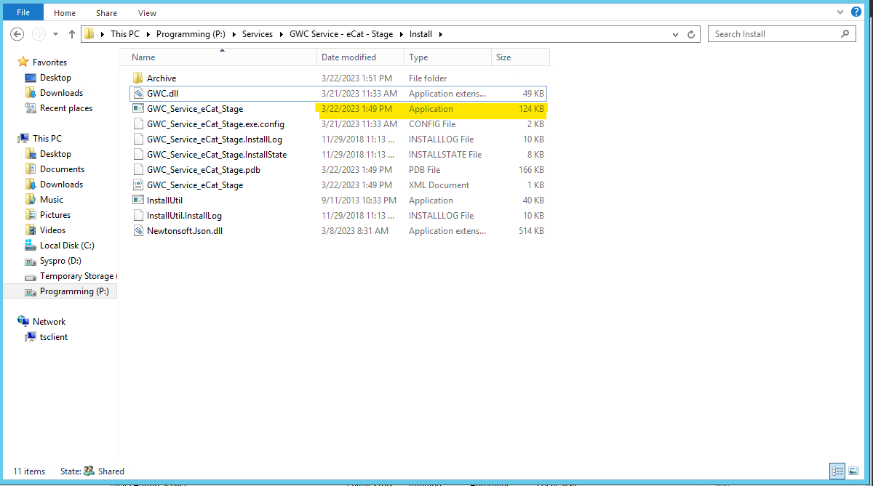
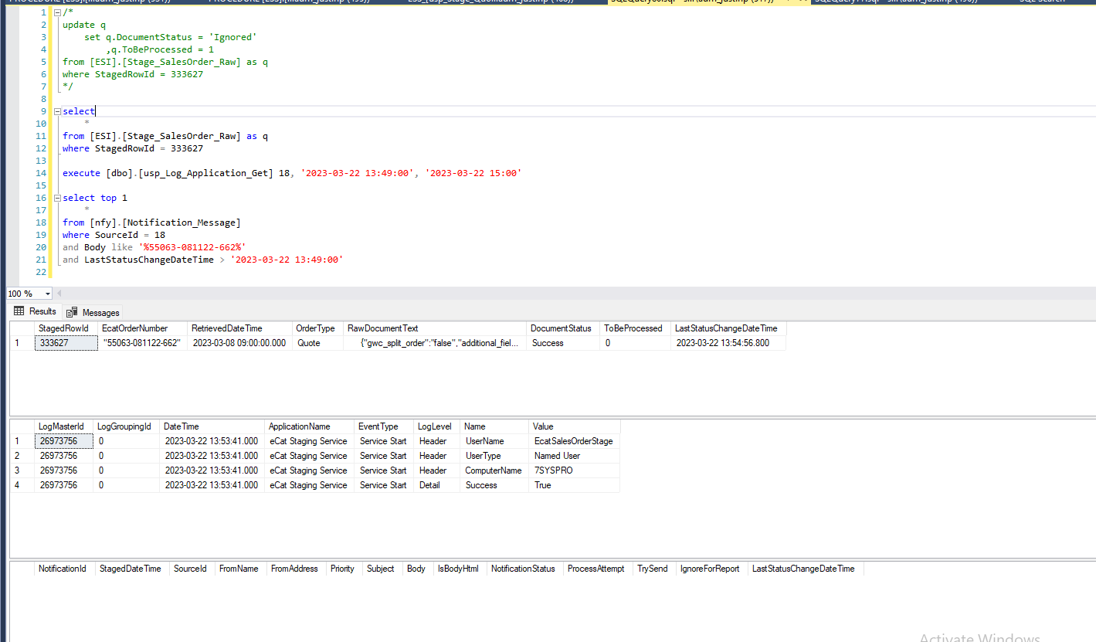
Justin Pope Dev Test
Test Case No. | 3
Process | Deploy program to dev 7syspro and watch it run as normal
Test Consideration | 1) Let the service run on dev 7Syspro
Test Condition |  | Data Used | How To Verify | Actual Results
Tasks
1 | Deploy program on dev Syspro7 |  | screen shot | screen shot
2 | Add Staged Record | Set records to comfirm error handling is working and that the quote will work | query database | screen shot
3 | Run application and watch process | Query Log Events to confirm that Errors were recorded Query Ecat.dbo.QuoteMaster and Ecat.dbo.QuoteDetail that the quotes were imported | query database | screen shot
Configuration/Data Setup for Testing Scenario
1 | Running from Visual Studio
2 | Added the Staged record manually

Verification
Test Cast Screens Shots Before and After

